Tabelle1
File | acid.txt | Lina Kostenko.txt | Phising.txt
Count of information | 1663 | 228 | 478
Original | 6441 | 981 | 1883
Archives
.rar | 2412 | 498 | 876
.zip | 2462 | 559 | 930
.gz | 2361 | 433 | 808
.bz2 | 1951 | 361 | 675
.7z | 2340 | 554 | 924
acid.txt
Lina Kostenko.txt
Phising.txt

Аркуш1
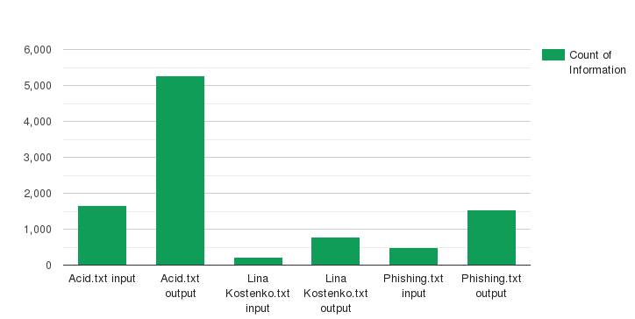
Archives (byte) | Acid.txt | Lina Kostenko.txt | Phishing.txt
Count of Information (in) | 1663 | 228 | 478
Count of Information (out) | 5275 | 787 | 1538
Percent of differences | 3.1719783524 | 3.451754386 | 3.2175732218

Аркуш2
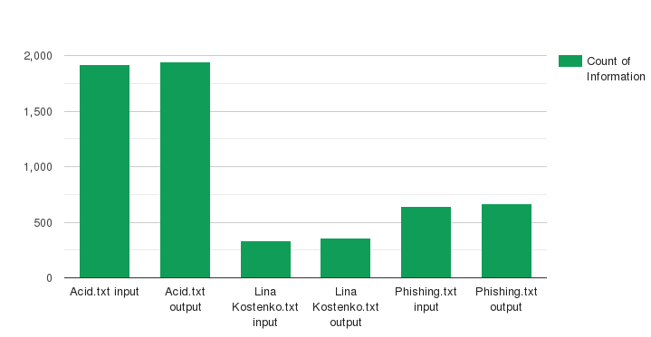
File (byte) | Acid.txt | Lina Kostenko.txt | Phishing.txt
Count of Information (in) | 1919 | 331 | 644
Count of Information (out) | 1947 | 356 | 668
Percent of differences | 1.0145909328 | 1.0755287009 | 1.0372670807

